Checklist
Checklist for reopening and operating in a post-COVID environment
 |  | 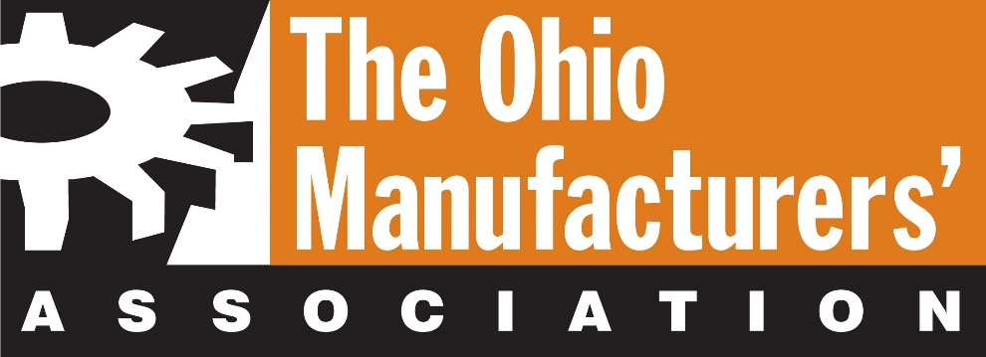
Ohio Guidelines
 | Item | Description | Yes / No | Notes
Mandatory Guidelines
1 | Mandatory Ohio | Ensure minimum 6 ft. between people. If not possible, install barriers
2 | Mandatory Ohio | Employee must preform daily symptom assessments. This should include taking your temperature with a thermometer and monitoring for fever. Also watch for coughing or trouble breathing.
3 | Mandatory Ohio | Require employees to stay home when symptomatic
4 | Mandatory Ohio | Require regular hand washing
5 | Mandatory Ohio | Stagger or limit arrivals of employees and guests
6 | Mandatory Ohio | Personnel should work from home if possible
7 | Mandatory Ohio | Daily disinfection of desks and workstations
8 | Mandatory Ohio | Change shift patterns (e.g. fewer shifts)
9 | Mandatory Ohio | Stagger lunch and break times
10 | Mandatory Ohio | Daily deep disinfection of high-contact surfaces
11 | Mandatory Ohio | Space factory floor to allow for distancing
12 | Mandatory Ohio | Regulate max number of people in cafeterias/ common spaces
13 | Mandatory Ohio | Establish maximum capacity (e.g. 50% of fire code)
14 | Mandatory Ohio | For Confirmed Cases: Immediately isolate and seek medical care for any individual who develops symptoms while at work
15 | Mandatory Ohio | For Confirmed Cases: Contact the local health district about suspected cases or exposures
16 | Mandatory Ohio | For Confirmed Cases: Shutdown shop/floor for deep sanitation if possible
17 | Mandatory Ohio | Face coverings are required while employers and employees are on the job, unless any one of the following apply: An employee in a particular position is prohibited by a law or regulation from wearing a face covering while on the job A face covering is not advisable for health purposes Wearing a face covering on the job is against documented industry best practices Wearing a face covering violates a company’s safety policies There is a practical reason a face covering cannot be worn An employee is sitting alone in an enclosed work-space. (If any of these exceptions apply to your business, or one of your employees, written justification must be provided upon request.)​​
Recommended Guidelines
18 | Recommended Ohio | Provide stipend to employees for private transportation
19 | Recommended Ohio | Split into sub-teams limit contact across sub-teams
20 | Recommended Ohio | Reduce pace to allow less FTEs per line
21 | Recommended Ohio | Close cafeteria and gathering spaces if possible, or conduct regular cleanings
22 | Recommended Ohio | Daily deep disinfection of entire facility
23 | Recommended Ohio | For Confirmed Cases: Work with local health department to identify potentially infected or exposed individuals to help facilitate effective contact tracing/notifications
24 | Recommended Ohio | For Confirmed Cases: Once testing is readily available, test all suspected infections or exposures
25 | Recommended Ohio | For Confirmed Cases: Following testing, contact local health department to initiate appropriate care and tracing
Re-open Checklist
Written Policies / Procedures
1 | COVID policy | General procedure that outlines how a company is handling COVID
2 | Working Remotely and Meetings | How meetings will be handled and who should still work remotely
3 | Travel | Travel restrictions: can not travel to the following areas
4 | Outside Resources / Sub-contractors | Which sub-contractors can enter the building (essential) and what they need to do to be able to enter the building and perform work
5 | What to do if people get sick | How to handle employees that get sick
6 | People who test positive to COVID | What you do when someone tests positive to COVID Example: trace people they have become in contact with and have these individuals tested and quarantined
7 | People who cannot come back to work or are scared to come into work | How to handle situations where employees cannot come into work, are in a vulnerable population (e.g., immunocomprimised) or are scared to come into work This includes people that might need to care for a sick person or child
8 | Entering the building | Steps that are taken by employees before entering or starting work This could include taking temperatures, a questionnaire or an interview. Limit people entering building at one time
9 | Hygiene and monitoring practices during shift | Outlines what people in the building must do during the shift to be in compliance
10 | PPE policy | What PPE most be worn by individuals (mandatory vs. optional)? This could include masks, gloves, gowns, etc. (face coverings mandatory)
11 | Cleaning, Sanitizing, and Disinfection (Clean plan) | Detailed Clean Plan for facility and equipment that outlines what, when, how, who, and materials needed for cleaning the facility. Also what PPE is required by the people doing the cleaning
12 | HVAC filter procedure / schedule | How filters will be cleaned, disinfected, or replaced
Social Distancing (6 ft.)
13 | Layout changes and technology additions needed to facilitate social distancing | What equipment needs to move to maintain six (6) foot distance between personnel? Can technology help in the medium term? Ex: Machine or work benches moved / door removed
14 | Workstation setups to reduce exposure | How do we set up a workstation to reduce the risk of exposure? Ex: People not facing each other / no sharing of tools
15 | Barriers and no-touch solutions placed where social distancing is not possible | Where are shields required as barriers when close working conditions cannot be avoided? What about other devices to limit common surface contact? This is similar to what is being done at grocery stores
16 | Use of limited work-in-process inventory to reduce contact | Should inventory be added to reduce material handling trips? Should buffers be placed between work stations to reduce employee contact?
17 | Maintaining social distance in Common Areas: Break room / rest room | How do we limit social distancing issues in common areas? Ex: Remove tables and chairs in break room / stagger breaks / Max occupancy of rest rooms
18 | Shift Changes | Do not overlap shifts to reduce exposure potential
Communication Tools and Visuals
19 | Visual / Audio reminders | Wash hands / maintain social distance / clean plan / buzzer time to wash hands Ex: Signage on walls or floor
20 | Checklists | Cleaning / Work station setup
PPE and Cleaning Materials On Hand and Available
21 | PPE | Gloves / masks / shields (face coverings mandatory)
22 | Cleaning and sanitizing materials | All cleaning materials
Operations
23 | Response team in place | Senior team including HR, operations leader, other senior management in place to handle potential COVID-19 occurances or exceptions to policies
...

